1. Protocol Design
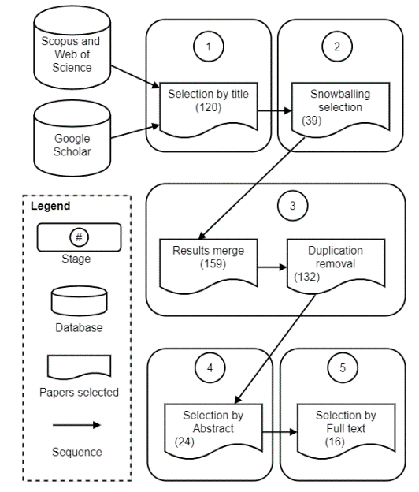
Definition of research goals and research questions
Goals
Main Goal: Investigate the strategies used for the development of SA-CPSs and the weaknesses found in each stage of the SDLC.

Research Questions
Goal | Id | Research questions | Rationale
G1 | RQ1 | How the development of SA-CPS was carried out from a perspective of the SDLC?
G2 | RQ2 | How sustainability –from both, the technical and economical perspectives– was taken into account?

Definition of search strategy
Digital Libraries
Scopus, Web of Science, and Google Scholar

Groups and terms and phrases
Application domain: contextualizes the search; in this case, the search only encompasses documents related to cyberphyical systems.
Application subdomain: shorten the search; in this case, the search only focuses on self-adaptative cyberphyical systems.
Specific feature: the present SMS perspective is to obtain information about self-adaptative cyberphysical systems design. Then, ten terms were added that will help to refine and to obtain results related to this field.

Group | Topic | Terms and phrases
Gr1 | Application domain | (“Embedded Systems” OR “Cyber Physical Systems” OR “CPSs” OR “Cyberphysical Systems” OR “Cyber-physical Systems” OR “Internet of Things” OR ”IoT” OR "Connected things" OR "Autonomous systems" OR "Industrial internet of things" OR “Intelligent Systems” OR “Industry 4.0” OR “fourth industrial revolution”)
Gr2 | Application subdomain | (“Self-adaptive” OR “Self Adaptive” OR “Self-adaptiveness” OR “Adaptative” OR “self Adaptation” OR “self-adaptation”)
Gr3 | Specific Features | (“Tools” OR “Instrument” OR “Device” OR “Strategies” OR “Methods” OR “Techniques” OR “Frameworks” OR “Structure" OR “Architecture” OR “Design”)
 |  |  | (“foundation” OR “theories” OR “principles” OR “paradigm” OR “autonomic computing” OR “autonomous computing” OR “edge computing” OR “cloud computing” OR “artificial intelligence” OR “context-aware computing” OR “fog computing” OR “osmotic computing” OR “Mobility-aware application” OR “Cloud federation”)

Definitive search strings
String# | Topics | Search string |  |  | SPRINGER
S1 | Application domain & Application subdomain & Specific feature | (“Embedded Systems” OR “Cyber Physical Systems” OR “CPSs” OR “Cyberphysical Systems” OR “Cyber-physical Systems” OR “Internet of Things” OR ”IoT” OR "Connected things" OR "Autonomous systems" OR "Industrial internet of things" OR “Intelligent Systems” OR “Industry 4.0” OR “fourth industrial revolution”) AND (“Self-adaptive” OR “Self Adaptive” OR “Self-adaptiveness” OR “Adaptative” OR “self Adaptation” OR “self-adaptation”) AND (“Tools” OR “Instrument” OR “Device” OR “Strategies” OR “Methods” OR “Techniques” OR “Frameworks” OR “Structure" OR “Architecture” OR “Design”)
 |  |  |  | (1) allintitle: adaptation cyber physical systems foundations OR principles OR theories OR paradigm OR autonomic OR autonomous OR edge OR cloud OR artificial OR intelligence OR context-aware OR fog OR osmotic OR mobility-aware OR federation (Total 3) (2) allintitle: adaptation internet of things foundations OR principles OR theories OR paradigm OR autonomic OR autonomous OR edge OR cloud OR artificial OR intelligence OR context-aware OR fog OR osmotic OR mobility-aware OR federation (Total 2) (3) allintitle: adaptive internet of things foundations OR principles OR theories OR paradigm OR autonomic OR autonomous OR edge OR cloud OR artificial OR intelligence OR context-aware OR fog OR osmotic OR mobility-aware OR federation (Total 21) (4) allintitle: adaptive cyber physical systems foundations OR principles OR theories OR paradigm OR autonomic OR autonomous OR edge OR cloud OR artificial OR intelligence OR context-aware OR fog OR osmotic OR mobility-aware OR federation (Total 8)
Inclusion/Exclusion criteria
Inclusion criteria
IC1. Articles, conference papers, and book chapters whose titles are related to self-adaptive CPSs.
IC2. Articles, conference papers, and book chapters published between January 2010 and September 2020.
IC3. Articles, conference papers, and book chapters available in electronic form.
IC4. Articles, conference papers, and book chapters in the English language.

Exclusion criteria
EC1. Documents whose methods or techniques do not apply to self-adaptive CPSs.
EC2. Documents in the form of events, posters, unpublished works, and secondary studies.
EC4. Approaches without details on how they correct, explain, diagnose, prevent, predict or control defects.
Search conduction
Search Strategy

